Fee comparison
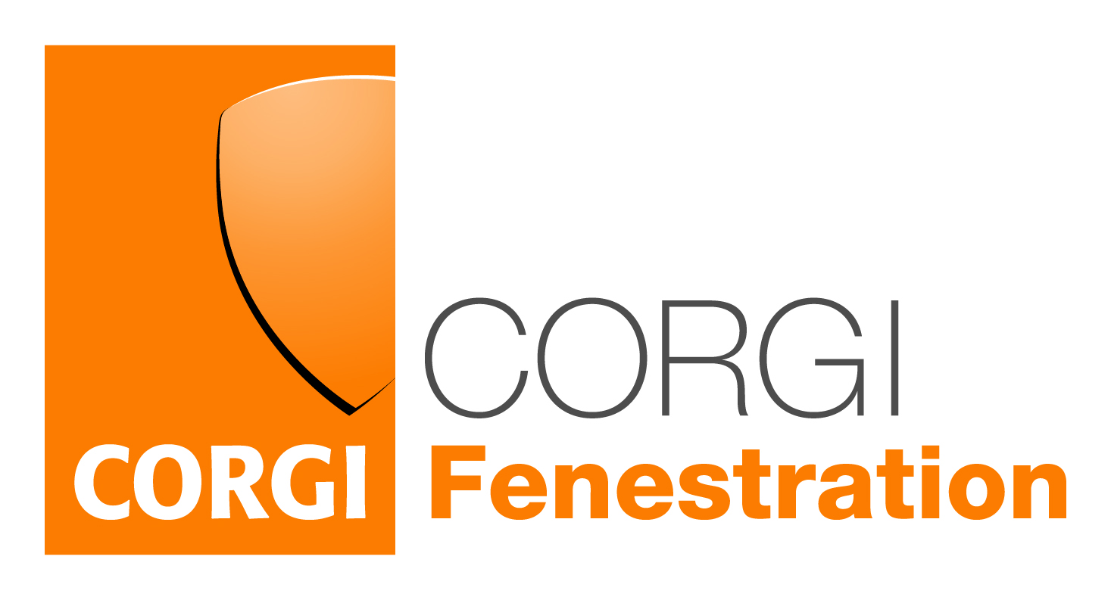

FEE COMPARISON

My company installs per year | 200

My company pays for each installation an IBG which costs | £20.00

Indicative current solution costs are:

Annual fee | £160.00

Yearly assessment fees | £270.00

Notification costs per year | £380.00

Yearly cost of consumer financial protection (IBG) | £4,000.00

Cost per installation | £24.05

Total annual costs | £4,810.00

CORGI Fenestration costs are:

Annual fee | £200.00

Yearly assessment fees | £600.00

Notification costs per year | £3,000.00

Yearly cost of consumer financial protection | Included

Cost per installation | £19.00

Total annual costs | £3,800.00

Savings/(cost) per installation | £5.05

Total annual savings/(costs) | £1,010.00

Note 1: Indicative costs are based on the cheapest published CPS fees as of January 2023
Note 2: CORGI Fenstration costs assume company has qualified (NVQ/MTC) installers, has no BR failures identified and has a satisfactory audit.

Note 3: Notification limit for calculation is </= 5000 max. For volumes in excess of this please contact CORGI Fenestration for details.

Note 4: Notification fee includes provision of a Fenestration Compliance Guarantee for installations that have been self certified under Building Regulations which means you do not have to purchase an Insurance product (IBG).

